Sheet1
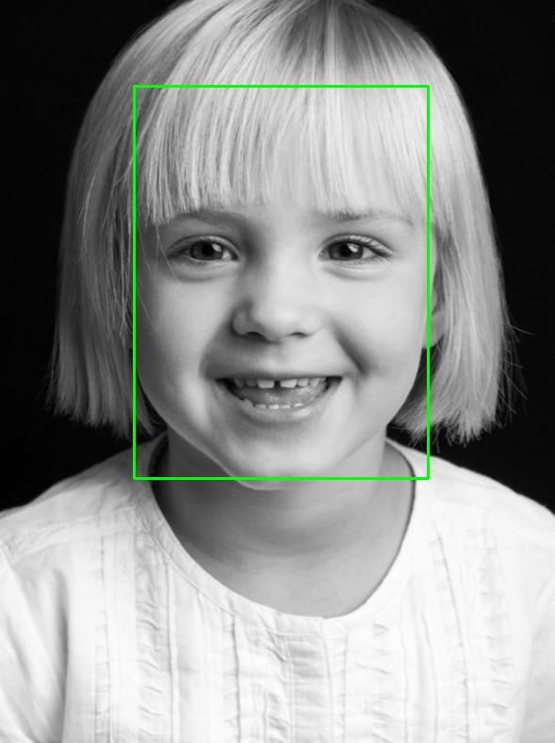
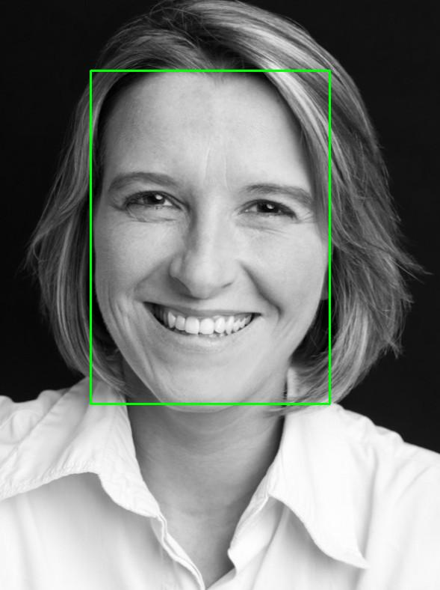
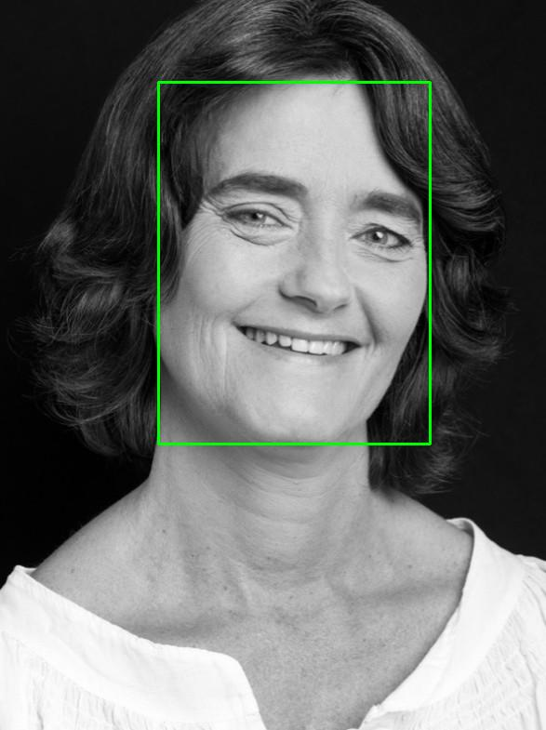
Image | Age (Actual) | Gender (Actual) | Predicted Age | Predicted Gender | Age correct | Gender correct | Image | Age (Actual) | Gender (Actual) | Predicted Age | Predicted Gender | Age correct | Gender correct | Image | Age (Actual) | Gender (Actual) | Predicted Age | Predicted Gender | Age correct | Gender correct
 | 3 | Female | 0-12 | Female | TRUE | TRUE |  | 33 | Female | 13-19 | Female | FALSE | TRUE |  | 53 | Female | 40-49 | Female | FALSE | TRUE

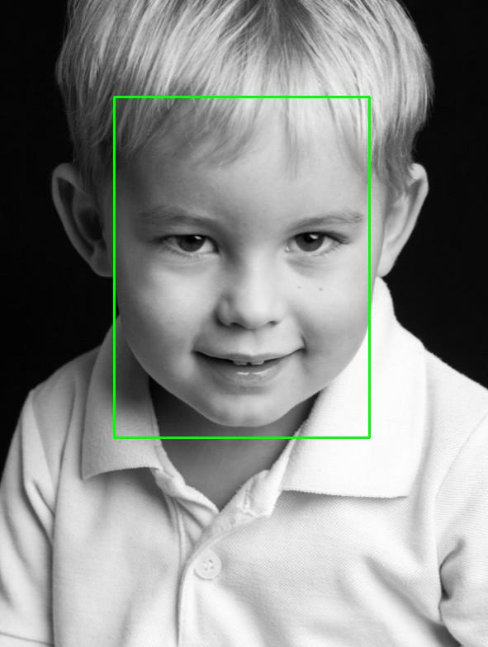
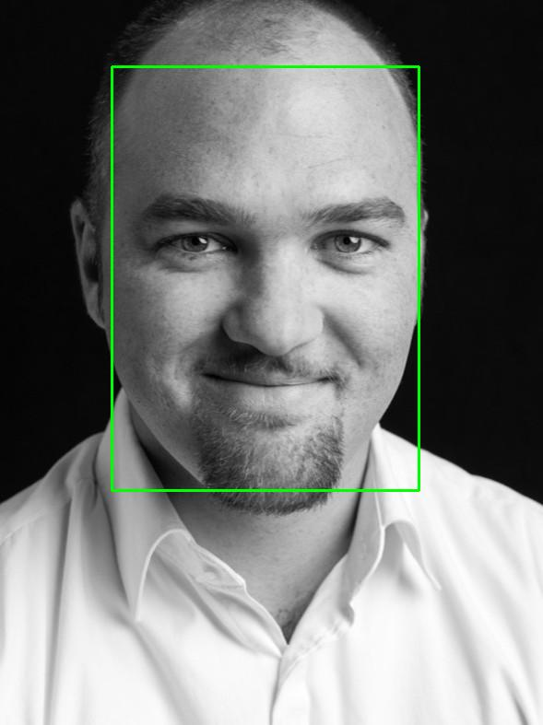
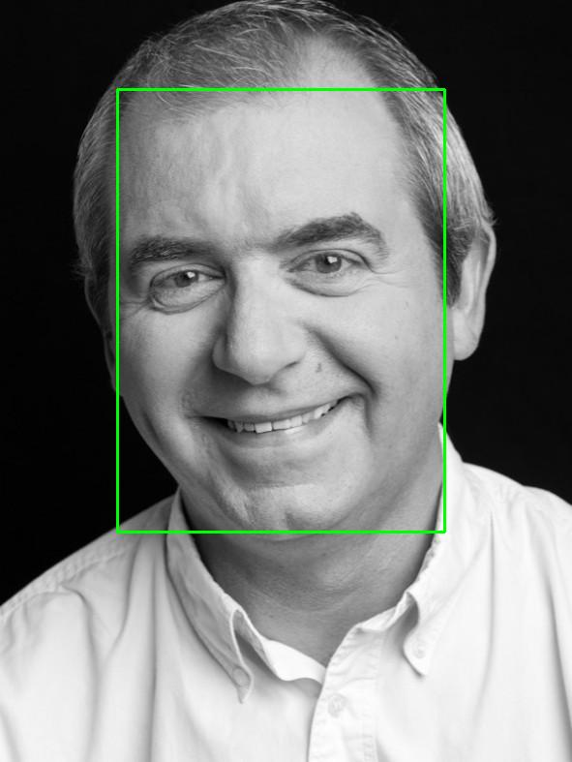
 | 3 | Male | 0-12 | Male | TRUE | TRUE |  | 33 | Male | 30-39 | Male | TRUE | TRUE |  | 53 | Male | 50-59 | Male | TRUE | TRUE

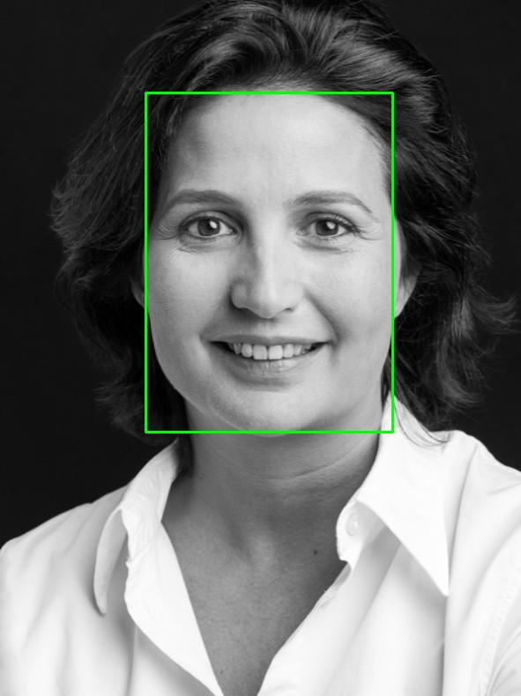
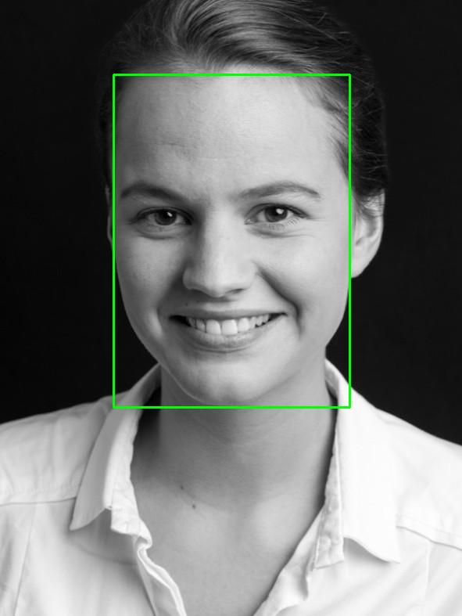
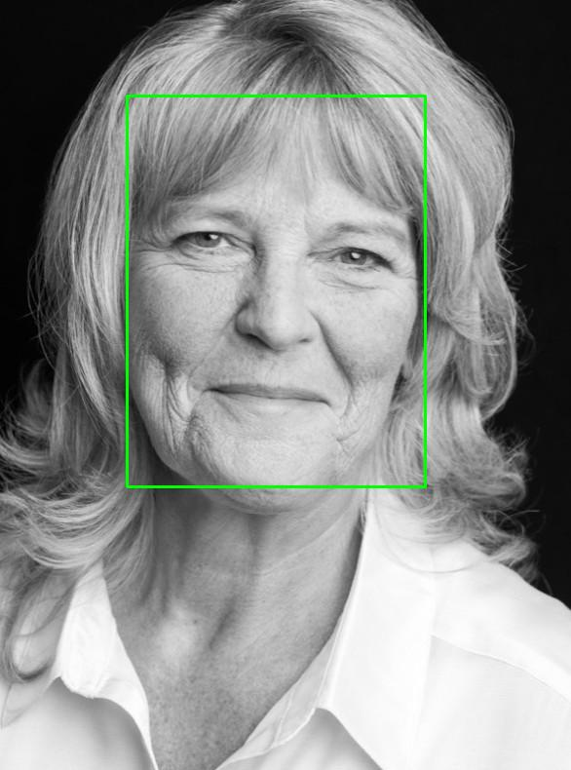
 | 23 | Female | 13-19 | Male | FALSE | FALSE |  | 43 | Female | 13-19 | Female | FALSE | TRUE |  | 63 | Female | 60-120 | Female | TRUE | TRUE

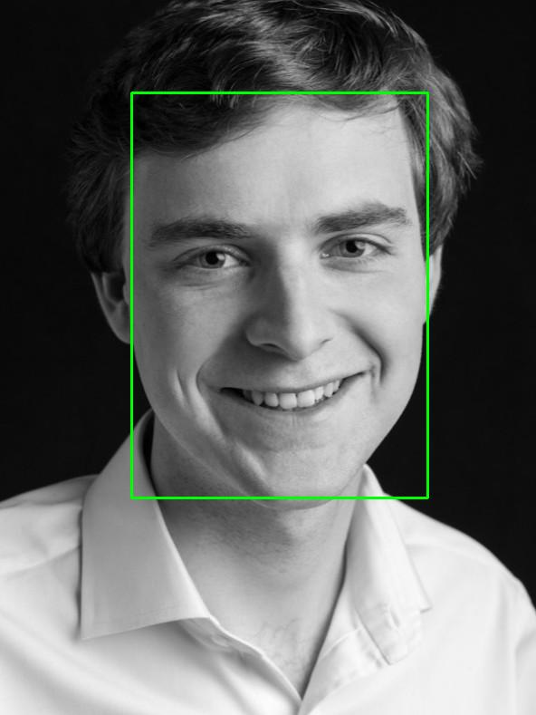
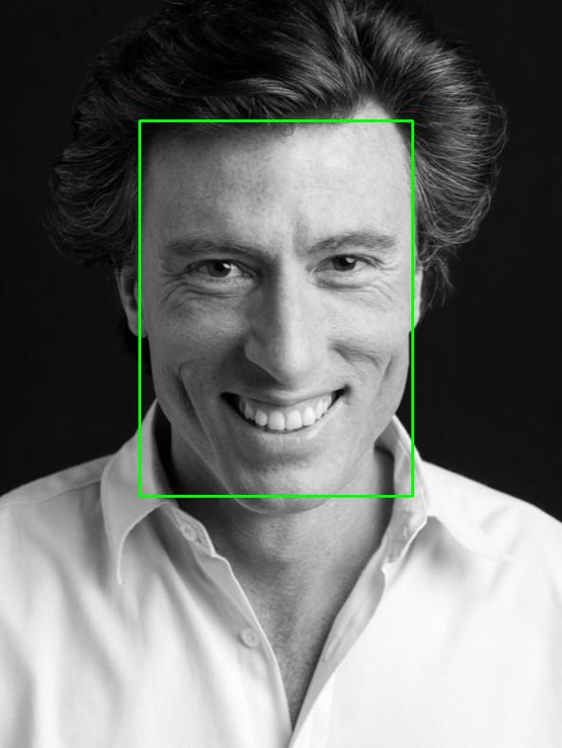
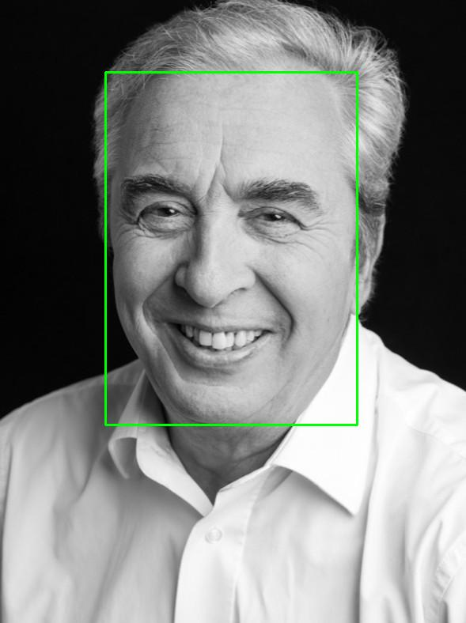
 | 23 | Male | 13-19 | Male | FALSE | TRUE |  | 43 | Male | 20-29 | Male | FALSE | TRUE |  | 63 | Male | 60-120 | Male | TRUE | TRUE

